Vans
Brand | Article | Description | Picture | Colour | Qty | RRP
Vans | VN000ONIPM11 | MN OLD SKOOL II BACK | 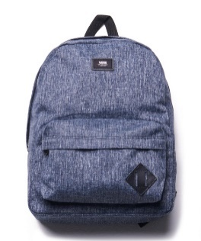 | HEATHER BLACK SUITING | 253 | 34.95
Vans | VN000ONIPF11 | MN OLD SKOOL II BACK | 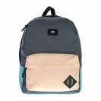 | ASPHALT COLORBLOCK | 112 | 39.95
Vans | VN000ONIPI31 | MN OLD SKOOL II BACK | 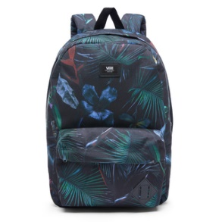 | NEO JUNGLE | 59 | 39.95
Vans | VN000ONI14A1 | MN OLD SKOOL II BACK | 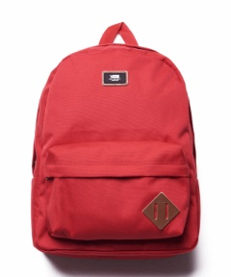 | Chili Pepper | 172 | 39.95
Vans | VN000ONIKCZ1 | MN OLD SKOOL II BACK | 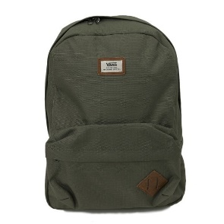 | GRAPE LEAF | 164 | 39.95
Vans | VN000ONIP9A1 | MN OLD SKOOL II BACK | 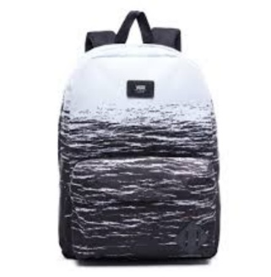 | WHITE DARK WATER | 94 | 39.95

 |  |  |  |  | 854

